GOOG
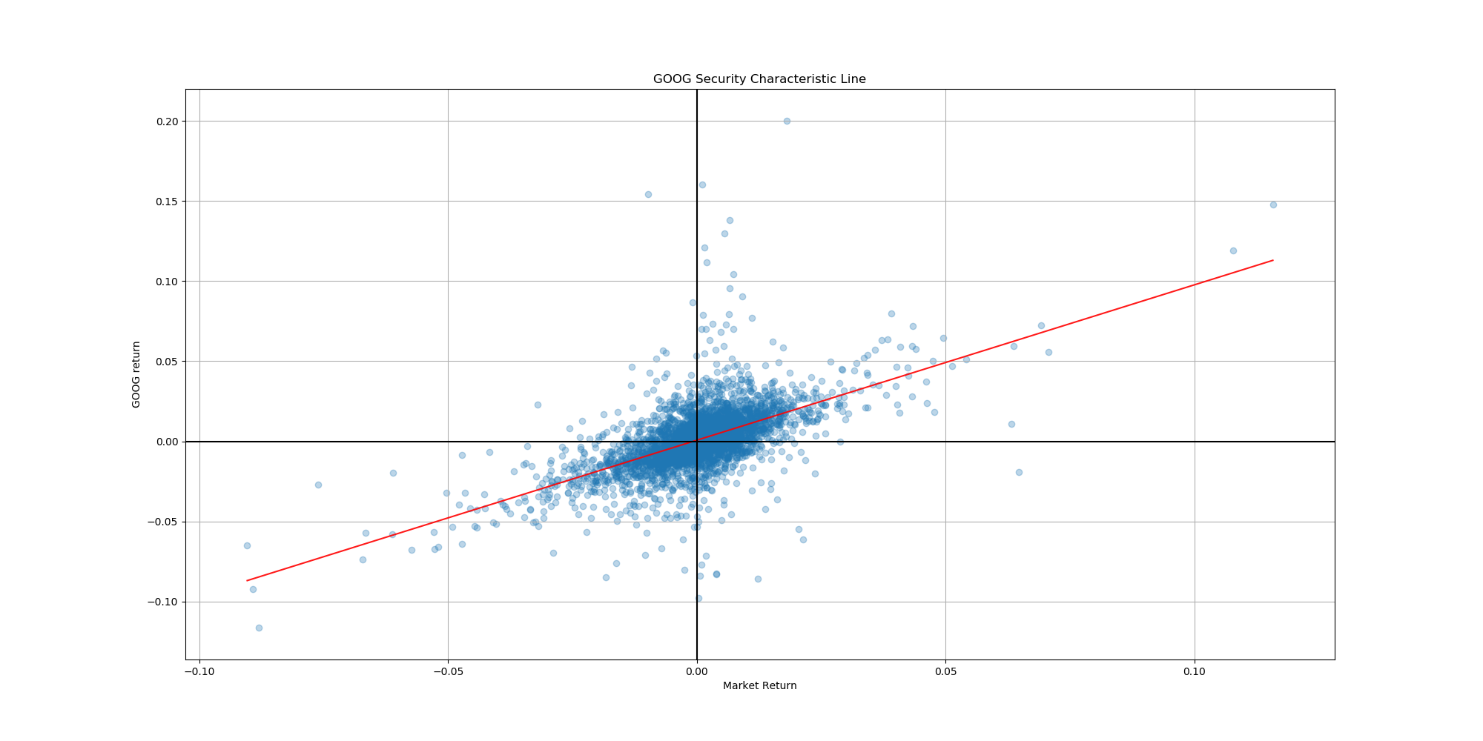
 | 0 | 1 | 2 | 3 | 0.975] | Coef. | P>|t| | Std.Err. | [0.025 | t
0 | Model: | OLS | Adj. R-squared: | 0.350
1 | Dependent Variable: | GOOG | AIC: | -21628.9329
2 | Date: | 2020-03-04 13:16 | BIC: | -21616.3898
3 | No. Observations: | 3911 | Log-Likelihood: | 10816.
4 | Df Model: | 1 | F-statistic: | 2108.
5 | Df Residuals: | 3909 | Prob (F-statistic): | 0.00
6 | R-squared: | 0.350 | Scale: | 0.00023202
const |  |  |  |  | 0.0011776097379 | 0.00069991345477 | 0.0040930299128 | 0.00024365160583 | 0.00022221717167 | 2.872599392
^GSPC |  |  |  |  | 1.011132502 | 0.96971965026 | 0 | 0.021122851857 | 0.92830679855 | 45.908557083

SIVB
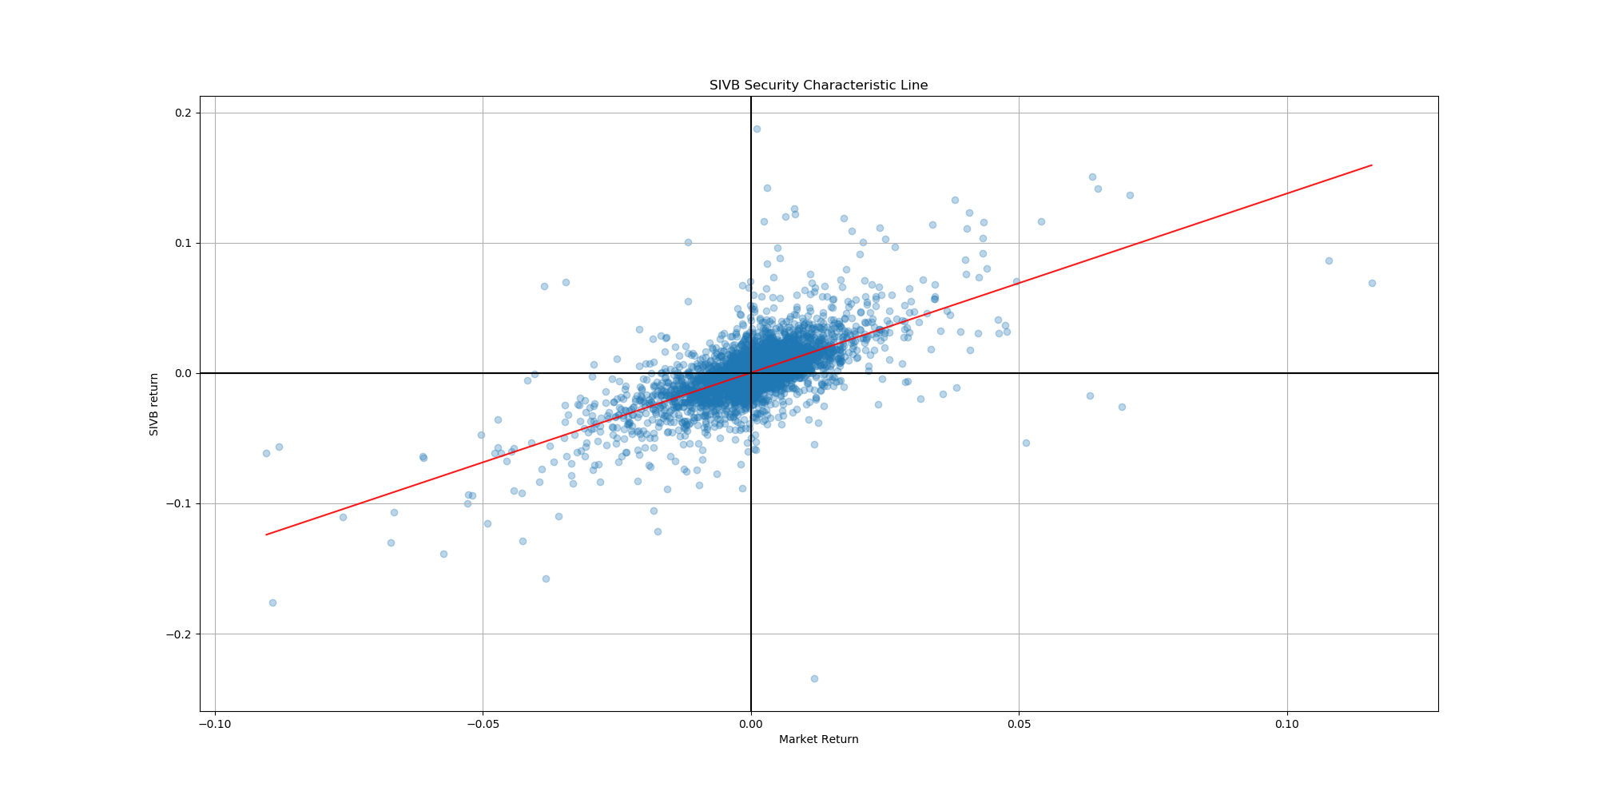
 | 0 | 1 | 2 | 3 | 0.975] | Coef. | P>|t| | Std.Err. | [0.025 | t
0 | Model: | OLS | Adj. R-squared: | 0.435
1 | Dependent Variable: | SIVB | AIC: | -20295.9594
2 | Date: | 2020-03-04 13:16 | BIC: | -20283.4163
3 | No. Observations: | 3911 | Log-Likelihood: | 10150.
4 | Df Model: | 1 | F-statistic: | 3016.
5 | Df Residuals: | 3909 | Prob (F-statistic): | 0.00
6 | R-squared: | 0.436 | Scale: | 0.00032625
const |  |  |  |  | 0.00084704731257 | 0.00028059748016 | 0.33151298685 | 0.00028892083982 | -0.00028585235225 | 0.97119155662
^GSPC |  |  |  |  | 1.4247599477 | 1.375652798 | 0 | 0.025047370721 | 1.3265456482 | 54.922044047

